Folha1
Views | Components | ViewModels | Views | Components | ViewModels
 | Top bar |  | 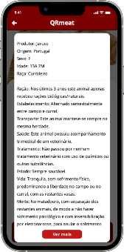 | Top Bar
 | Big widget | News.bigNew |  | Info | Meat.info
 | Botão Ler Mais
 | Small widgets | News.listNews
 |  |  |  | See more | Meat.moreInfo
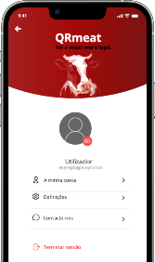 | Top Bar + Header
 | Profile photo | Account.photo
 | Profile Info | Account.info
 | Options
 | Logout
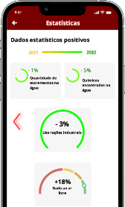 | Top bar
 | Move Negative
 | Year bar | Stats.positiveLineBar
 | Top graphs | Stats.positiveTopGraphs
 | Bottom graphs | Stats.positiveBottomGraphs
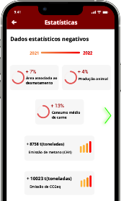 | Top bar
 | Move Positive
 | Year bar | Stats.negativeLineBar
 | Top graphs | Stats.negativeTopGraphs
 | Bottom graphs | Stats.negativeBottomGraphs
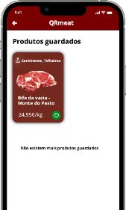 | Top Bar
 | Saved Products | Account.favorites

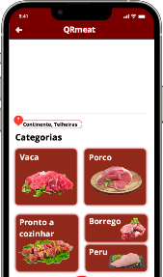 | Top Bar
 | Map | Market.map
 | Name | Market.name
 | Categories | Market.categories
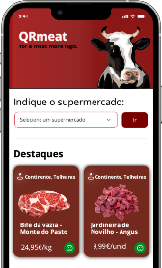 | Header
 | Search
 | Highlights | Highlights.categories
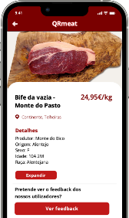 | Top Bar
 | Meat photo | Meat.photo
 | Meat details | Meat.generalInfo
 | Expand | Meat.moreInfo
 | Feedback
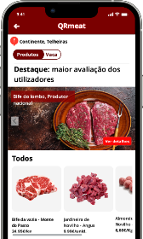 | Top Bar
 | Name | Market.name
 | Slider
 | Highlights | Market.highlights
 | All products | Market.allMeats
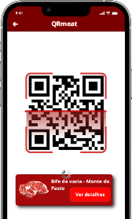 | Top Bar
 | Qrcode
 | Meat Scanned

